Sheet1
 |  | Document No. | Issue No. | Issue Date |  | Review and Replace Date |  | Authorised By
 |  | GFF532MC | 1 | 28.08.2025 |  | New doc
 |  | Document Title | GAZEBO DELI 10 Masala Chicken Kheema Roll | 850G
 |  | New doc |  |  | Page |  | 1 of 1 | Magda Shah
Document amendments reason for change |  |  |  |  | Previous Issue Date |  | New doc | Uncontrolled copy unless signed original

CCKROL-B10T | GAZEBO DELI - BOOTHS |  | 10 Masala Chicken Kheema Roll | 850G
STEP 1 |  |  |  |  | STEP 2
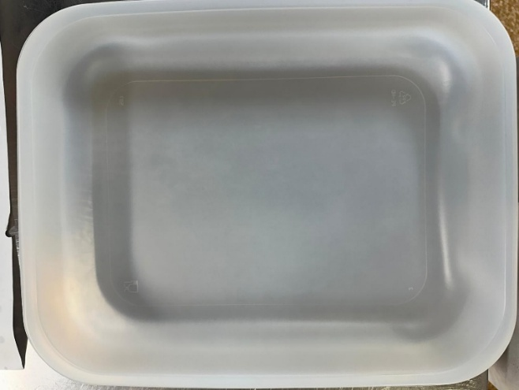 |  |  |  |  | 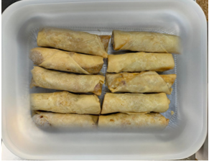

NEW RECIPE
Tray: 597 natural (320x245x50mm) -PKPRO001-20 Film: S340AF 340mmX510mm AF&HB Weld- PKPRO001-17 |  |  |  |  | 10 Masala Chicken Kheema Roll 85G-GFF545R
 |  |  |  |  | 850g
ALLERGY ALERT: SOYA, WHEAT, MILK

